Sheet1
 | 0.05111111111 | 0.01703703704 | 0.01022222222 | 0.007301587302 | 0.005679012346 | 0.004646464646 | 0.003931623932 | 0.003407407407 | 0.003006535948 | 0.00269005848 | 0.002433862434 | 0.002222222222 | 0.002044444444 | 0.001893004115 | 0.001762452107 | 0.00164874552
 | 6.20E-07 | 6.83E-07 | 6.92E-07 | 6.91E-07 | 5.68E-07 | 0.00E+00 | 7.86E-07 | 0.00E+00 | 6.01E-07 | 8.07E-07 | 0.00E+00 | 6.67E-07 | 0.00E+00 | 0.00E+00 | 0.00E+00 | 6.59E-07
Grid size (Field datapoint No) | 10*10 | 28*28 | 46*46 | 64*64 | 82*82, 0.00568 for curl | 100*100 | 118*118 | 136*136 | 154*154 | 172*172 |  |  |  |  |  |  |  |  |  | 1010*1010 |  | 2710*2710
I: 0.05 A, 6.28318531E-8 | 1 | 3 | 5 | 7 | 9 | 11 | 13 | 15 | 17 | 19 | 21 | 23 | 25 | 27 | 29 | 31 |  |  | 71 | 101 | 201 | 301
Div_err | 1.64E-05 | 4.09E-05 | 4.59E-05 | 7.57E-05 | 0.00013595910864 |  | 0.00020960553416 |  | 0.00013288670673 | 0.00023582246157 |  | 0.00040098013068 |  |  |  | 0.00043201347777 |  |  | 0.00094055701668 |  | 3.02E-03 | 0.0034436299126
Max_curl | 1.21E-05 | 4.01E-05 | 6.77E-05 | 9.47E-05 | 0.0001 |  | 0.0002 |  | 0.0002 | 0.0003 |  | 0.0003 |  |  |  | 0.0004 |  |  | 0.001 |  | 0.0026 | 0.0041
min_curl | -1.08E-05 | -3.25E-05 | -5.41E-05 | -7.58E-05 | -9.74E-05 |  | -0.0001 |  | -0.0002 | -0.0002 |  | -0.0002 |  |  |  | -0.0003 |  |  | -0.0008 |  | -0.0022 | -0.0033
1.64E-07 | 9.99E-01 | 3.18E-01 | 1.32E-01 | 1.13E-01 | 1.23E-01 |  | 9.17E-02 |  | 3.41E-02 |  |  |  |  |  |  |  |  |  |  |  |  | 1.10E-04
Origin_Div_err | 1.64E-05 | 0.0002283956063 | 0.0002283956063 | 0.0002283956063 | 0.0002283956063 | 0.0002283956063 | 0.0002283956063 | 0.0002283956063 | 0.0002283956063 | 0.0002283956063 | 0.0002283956063 | 0.0002283956063 | 0.0002283956063 | 0.0002283956063 | 0.0002283956063 | 0.0002283956063 | 0.0002283956063 | 0.0002283956063 | 0.0002283956063 | 0.0002283956063 | 2.28E-04 | 0.0002283956063
Origin_Max_curl | 1.21E-05 | 4.16E-06 | 4.16E-06 | 4.16E-06 | 4.16E-06 | 4.16E-06 | 4.16E-06 | 4.16E-06 | 4.16E-06 | 4.16E-06 | 4.16E-06 | 4.16E-06 | 4.16E-06 | 4.16E-06 | 4.16E-06 | 4.16E-06 | 4.16E-06 | 4.16E-06 | 4.16E-06 | 4.16E-06 | 4.16E-06 | 4.16E-06
Origin_min_curl | -1.08E-05 | -4.16E-06 | -4.16E-06 | -4.16E-06 | -4.16E-06 | -4.16E-06 | -4.16E-06 | -4.16E-06 | -4.1627E-06 | -4.16E-06 | -4.16E-06 | -4.1627E-06 | -4.16E-06 | -4.16E-06 | -4.16E-06 | -4.1627E-06 | -4.16E-06 | -4.16E-06 | -4.1627E-06 | -4.16E-06 | -4.16E-06 | -4.16E-06

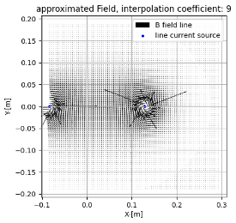
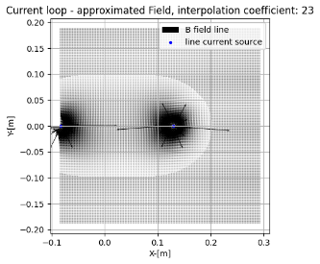
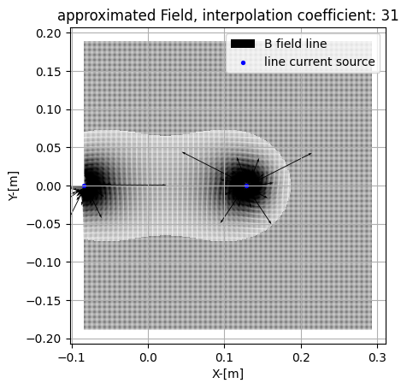
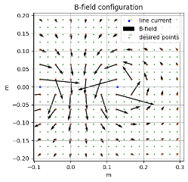
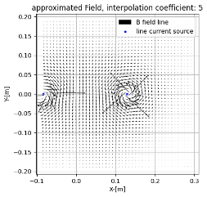
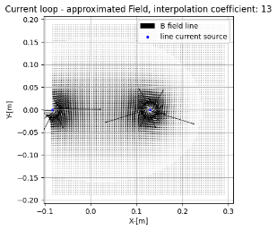
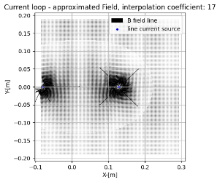
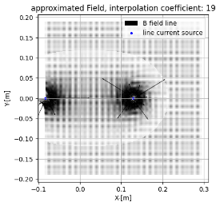
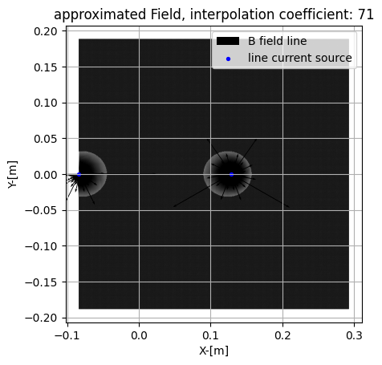
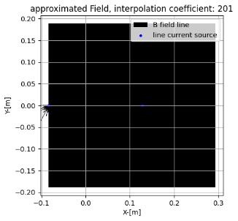
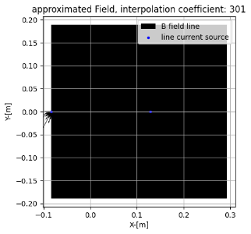
Div error is normalized with the div error obtained from the original data
discussions remain for whether normalizing the curl value or not

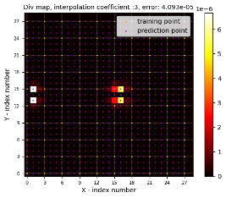
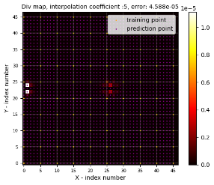
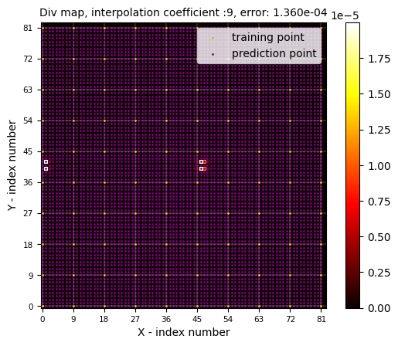
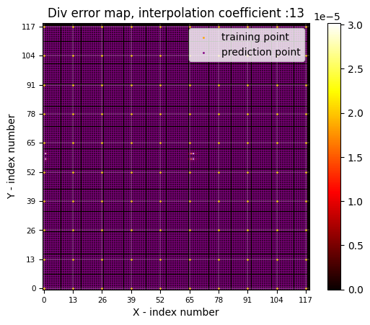
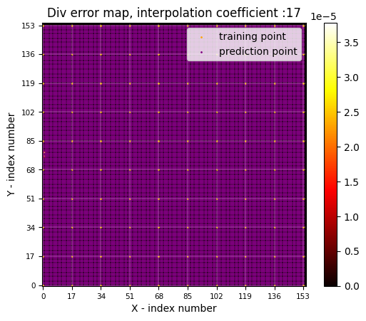
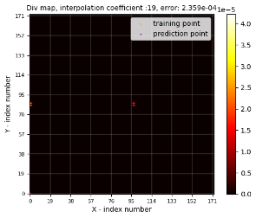
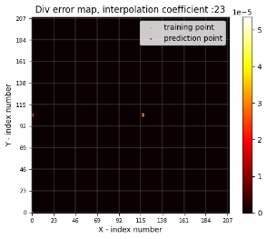
I=400 A : 0.000512


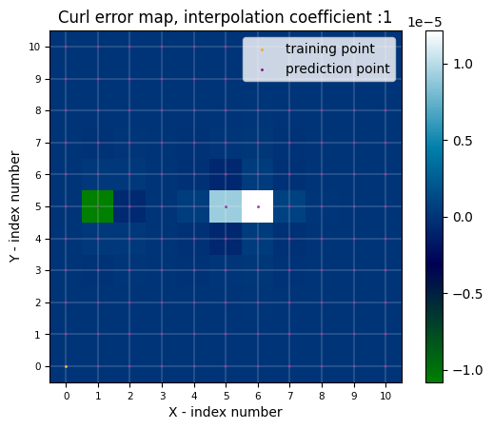
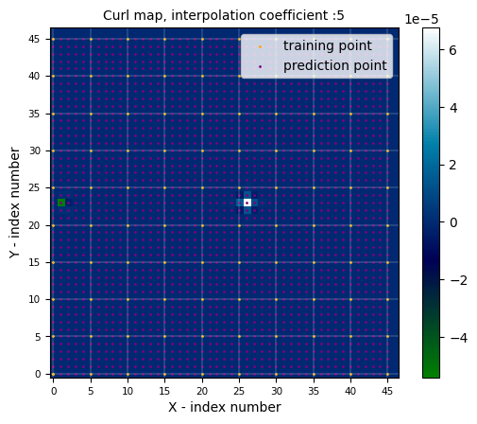
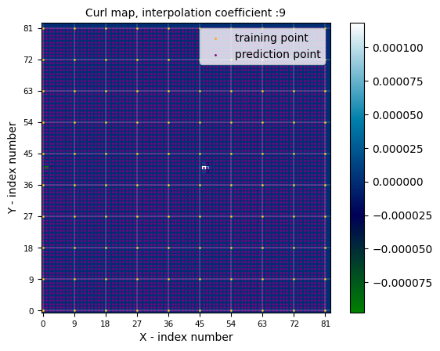
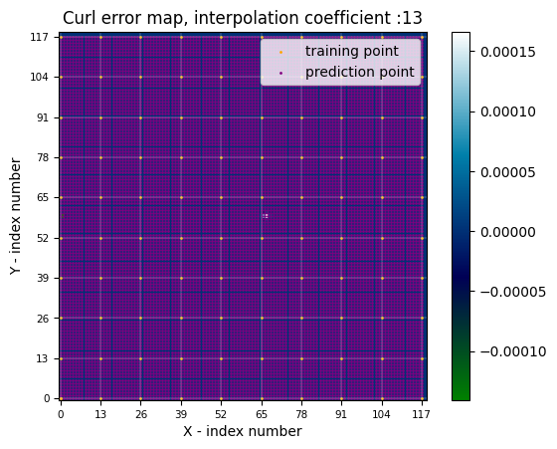
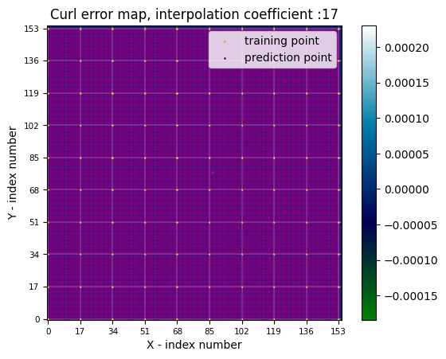
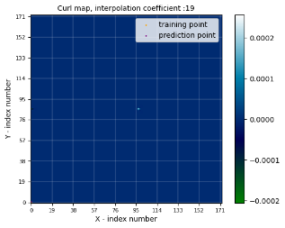
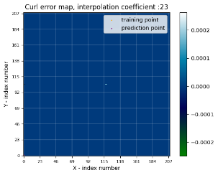
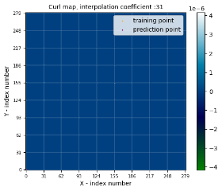

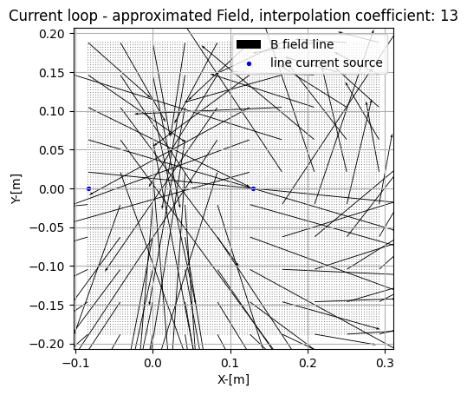
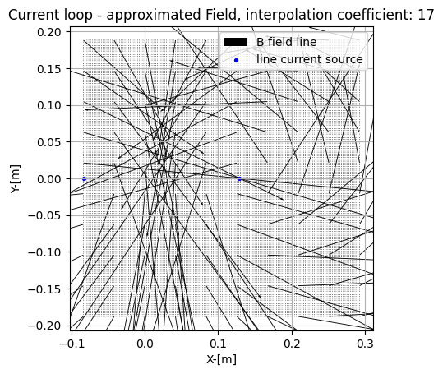
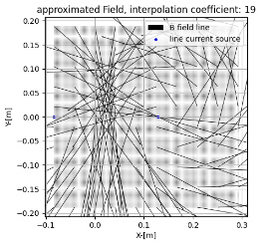
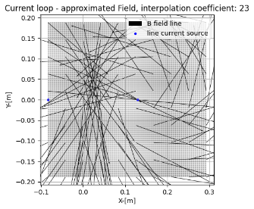
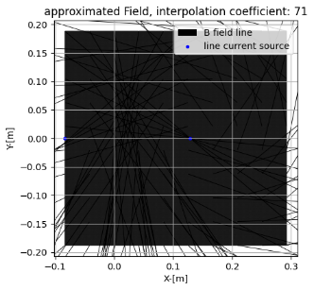
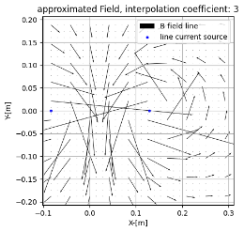
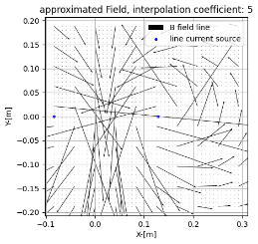
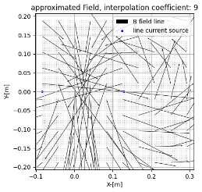
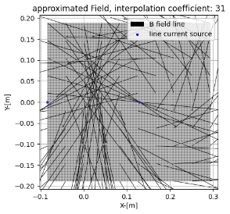
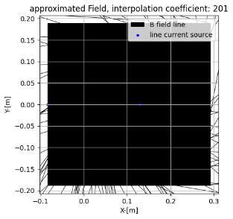
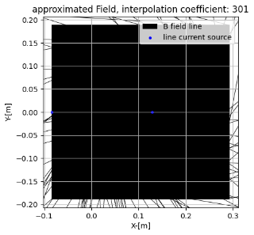

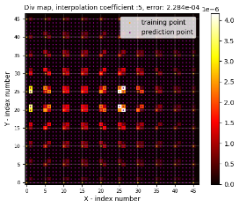
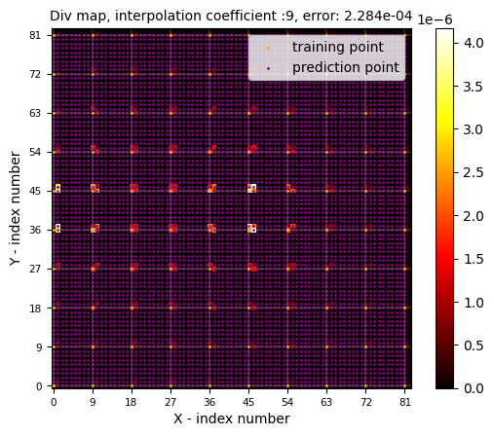
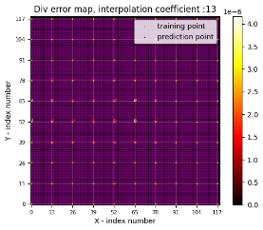
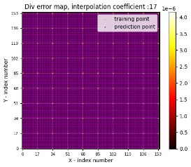
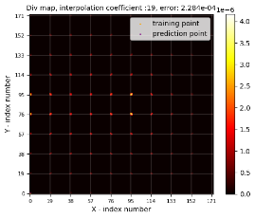
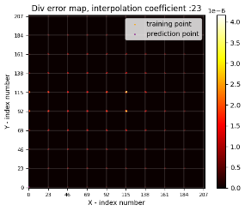
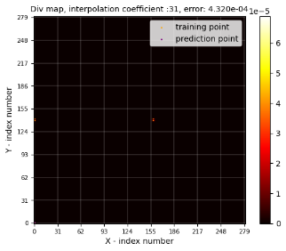

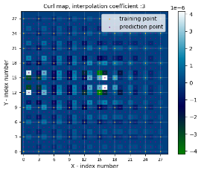
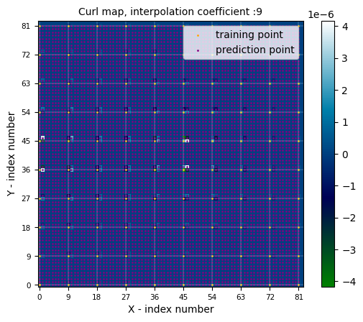
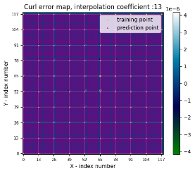
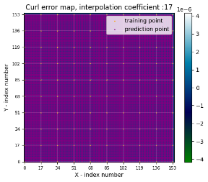
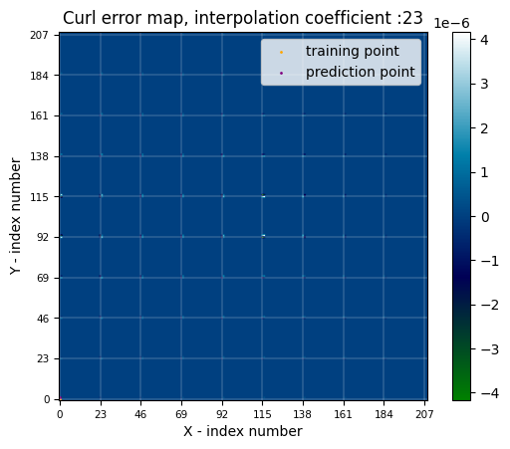

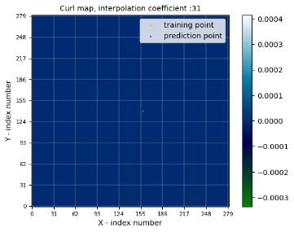

Error compilation for 0.05 A
 | Origin_Div_err | Div_err
Curl value plot of actual field for 0.05 A
 | Max_curl | min_curl

